Clockwise
Enter Data Points | 130,35|130,135

 | x1 | y1 | x2 | y2 |  | Generate points to be used for curves on the Innovator workflow maps. [2020-11-30 RPMengel]
 | 130 | 35 | 130 | 135
 |  |  |  |  |  | 370,31|370,72
 | Radius | r = | 50 |  |  | 369,31|372,31|375,32|377,33|380,35|382,37|383,39|385,42|385,45|386,48|385,50|385,53|383,56|382,58|380,60|378,62|375,65|370,72|253,72
 | Center | x = | 130
 |  | y = | 85
 |  |  |  |  |  | 325,35|325,75
 | Angle | x | y |  | clockwise
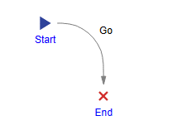
 | -90 | 130 | 35 |  | 130,35
 | -80 | 139 | 36 |  | 139,36
 | -70 | 147 | 38 |  | 147,38
 | -60 | 155 | 42 |  | 155,42
 | -50 | 162 | 47 |  | 162,47
 | -40 | 168 | 53 |  | 168,53
 | -30 | 173 | 60 |  | 173,60
 | -20 | 177 | 68 |  | 177,68
 | -10 | 179 | 76 |  | 179,76
 | 0 | 180 | 85 |  | 180,85 | 130,35|139,36|147,38|155,42|162,47|168,53|173,60|177,68|179,76|180,85
 | 10 | 179 | 94 |  | 179,94
 | 20 | 177 | 102 |  | 177,102
 | 30 | 173 | 110 |  | 173,110
 | 40 | 168 | 117 |  | 168,117
 | 50 | 162 | 123 |  | 162,123
 | 60 | 155 | 128 |  | 155,128
 | 70 | 147 | 132 |  | 147,132
 | 80 | 139 | 134 |  | 139,134 | Half Circle 90->270
 | 90 | 130 | 135 |  | 130,135 | 130,35|139,36|147,38|155,42|162,47|168,53|173,60|177,68|179,76|180,85|179,94|177,102|173,110|168,117|162,123|155,128|147,132|139,134|130,135
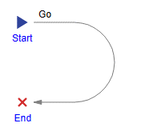
 | 100 | 121 | 134 |  | 121,134
 | 110 | 113 | 132 |  | 113,132
 | 120 | 105 | 128 |  | 105,128
 | 130 | 98 | 123 |  | 98,123
 | 140 | 92 | 117 |  | 92,117
 | 150 | 87 | 110 |  | 87,110
 | 160 | 83 | 102 |  | 83,102
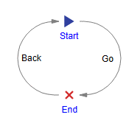
 | 170 | 81 | 94 |  | 81,94
 | 180 | 80 | 85 |  | 80,85
 | 190 | 81 | 76 |  | 81,76
 | 200 | 83 | 68 |  | 83,68
 | 210 | 87 | 60 |  | 87,60
 | 220 | 92 | 53 |  | 92,53
 | 230 | 98 | 47 |  | 98,47
 | 240 | 105 | 42 |  | 105,42
 | 250 | 113 | 38 |  | 113,38
 | 260 | 121 | 36 |  | 121,36 | Half Circle 270->90
 | 270 | 130 | 35 |  | 130,35 | 130,135|121,134|113,132|105,128|98,123|92,117|87,110|83,102|81,94|80,85|81,76|83,68|87,60|92,53|98,47|105,42|113,38|121,36|130,35

images
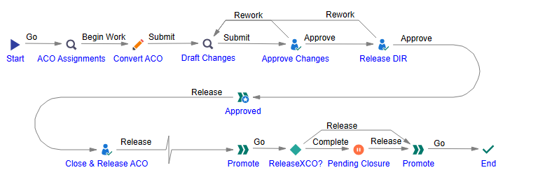

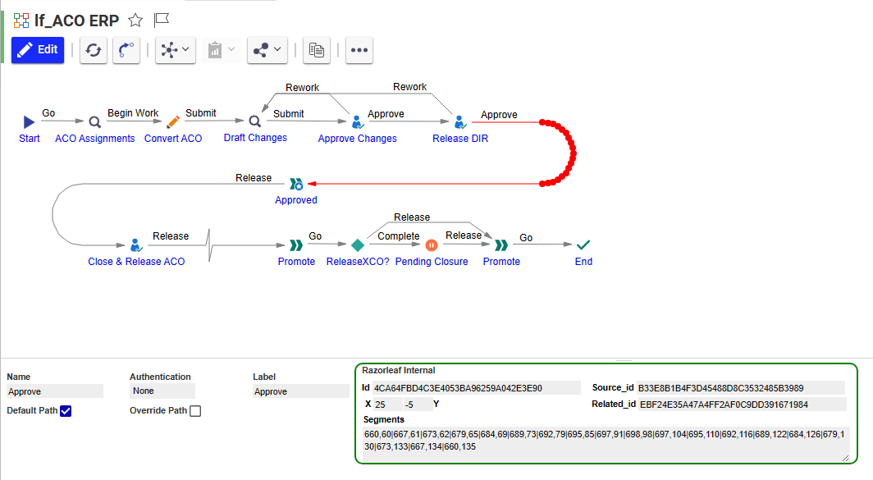

RPM


